Simply supported
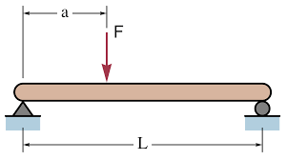
DESIGN OF STEEL BEAM SIMPLY SUPPORTED WITH DISTRIBUTED AND POINT LOAD

 | Section | Square Tube 72x72x3.2

 | Modulus of Elasticity (E) | 2.10E+11 | Pa
 | I (From steel tables) | 6.63E-07 | 1/m^4
 | Length of beam (L) | 6 | m
 | Distance from end where point load applied (a) | 3 | m
 | Uniform Loading (q) | 70 | N/m
 | Point Load (Fc) | 200 | N

 | D1 (Distributed Load) | 8.48E-03 | m
 | D2 (Point Load) | 6.46E-03 | m
 | D | 0.0149 | m

 | M1 (Distributed Load) | 315 | N-m
 | M2 (Point Load) | 300 | N-m
 | M | 615 | N-m

 | Maximum stress | 14 | Mpa
 | Safety factor (>2) | 23.1
 | Span/deflection | 402
 | Safety factor (>1) | 1.7

 | Note:
 | Maximum stress (for steel - YSt 210 grade) | 320 | Mpa
 | Minimum Span/deflection | 240

Cantilever
DESIGN OF STEEL BEAM SIMPLY SUPPORTED WITH DISTRIBUTED AND POINT LOAD
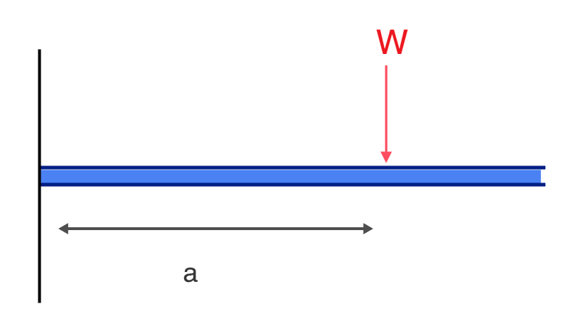
 | Section | Square Tube 49.5x49.5x4.5

 | Modulus of Elasticity (E) | 2.10E+11 | Pa
 | I (From steel tables) | 2.46E-07 | 1/m^4
 | Length of beam (L) | 0.5 | m
 | Distance from support where point load applied (a) | 0.4 | m
 | Uniform Loading (q) | 60 | N/m
 | Point Load (Fc) | 200 | N

 | D1 (Distributed Load) | 9.06E-06 | m
 | D2 (Point Load) | 1.13E-04 | m
 | D | 0.0001 | m

 | M1 (Distributed Load) | 8 | N-m
 | M2 (Point Load) | 24 | N-m
 | M | 32 | N-m

 | Maximum stress | 0 | Mpa
 | Safety factor (>2) | 20444.0
 | Span/deflection | 4084
 | Safety factor (>1) | 17.0

 | Note:
 | Maximum stress (for steel - YSt 210 grade) | 320 | Mpa
 | Minimum Span/deflection | 240

Steel Table Channels
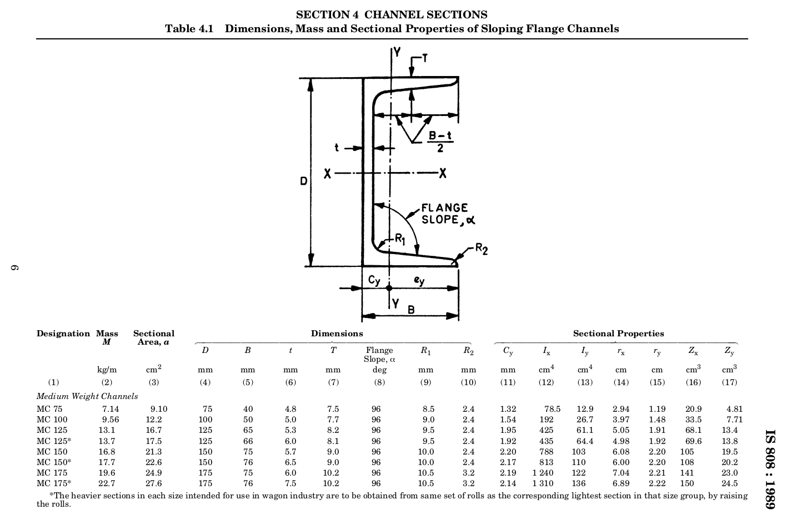

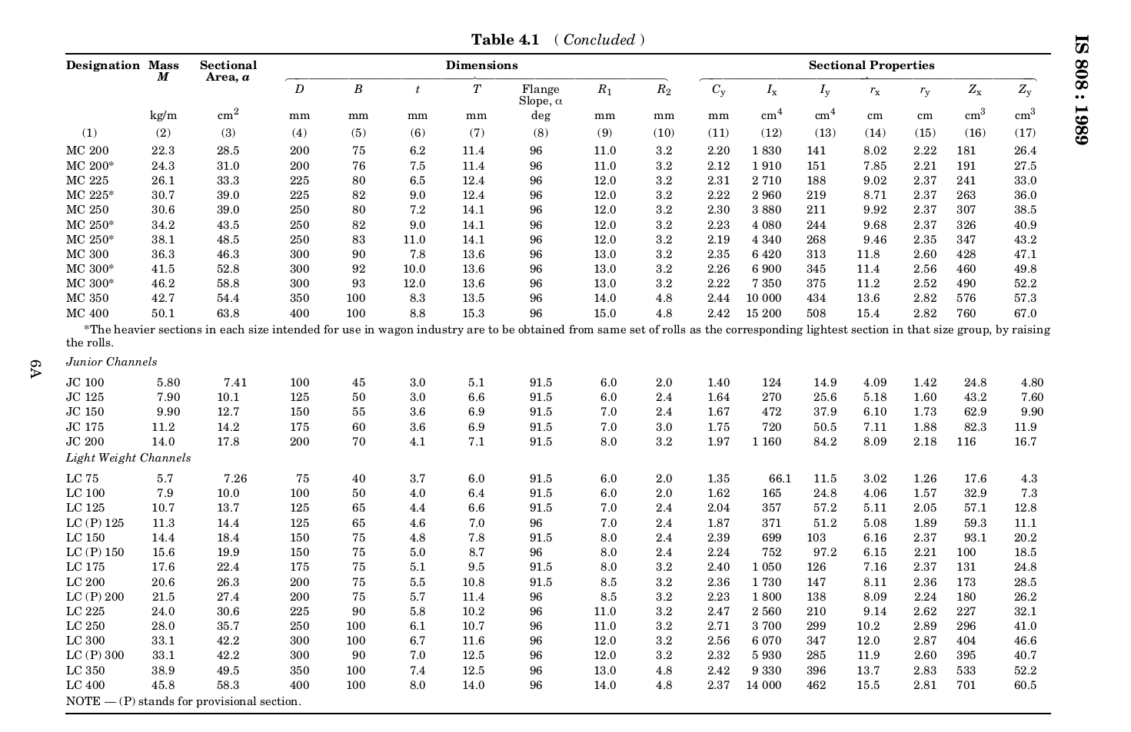

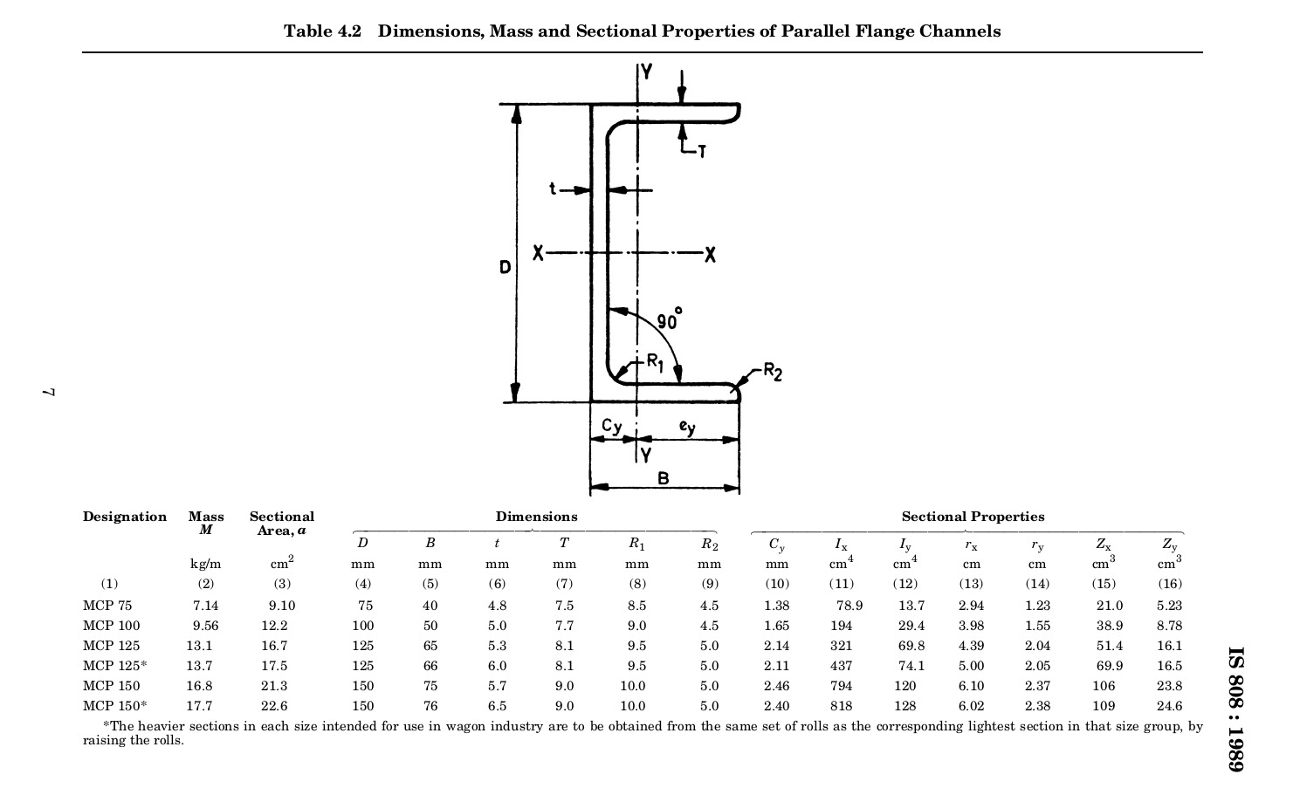

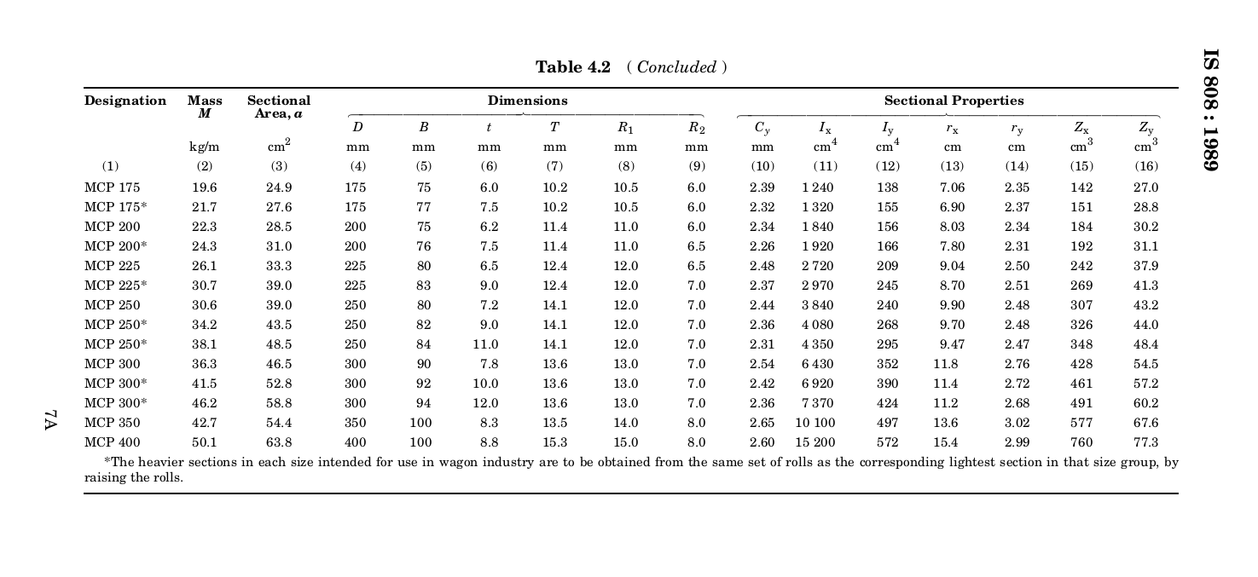

Steel Table Beams
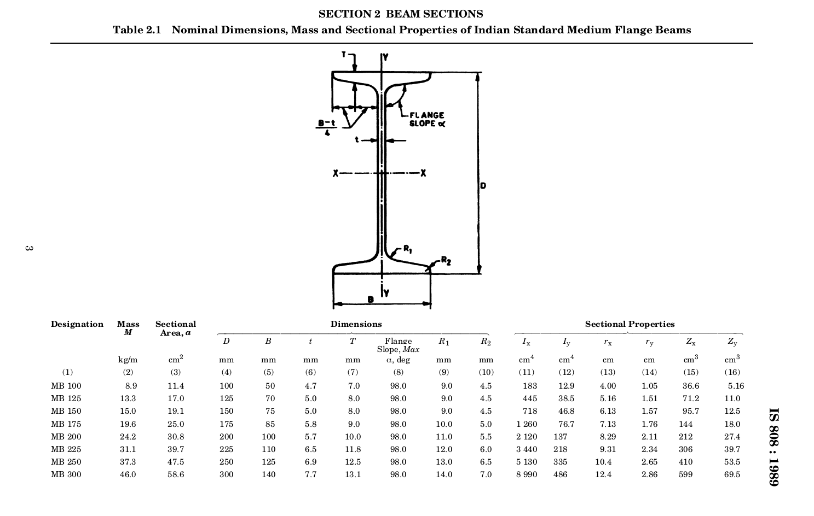

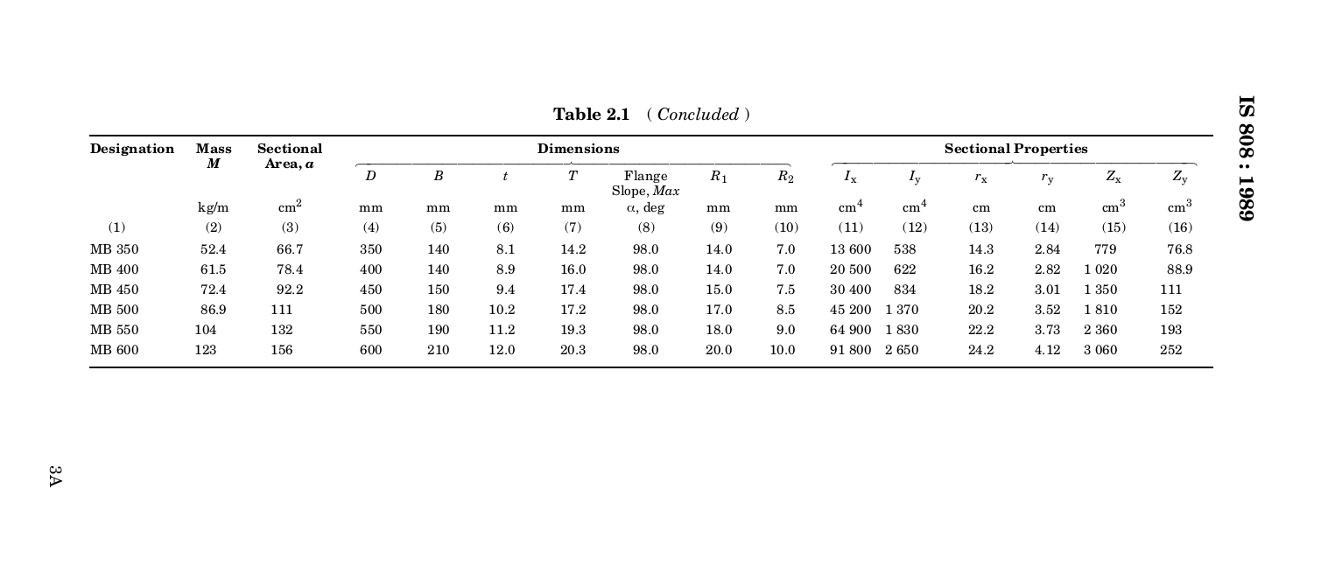

Steel square tubes
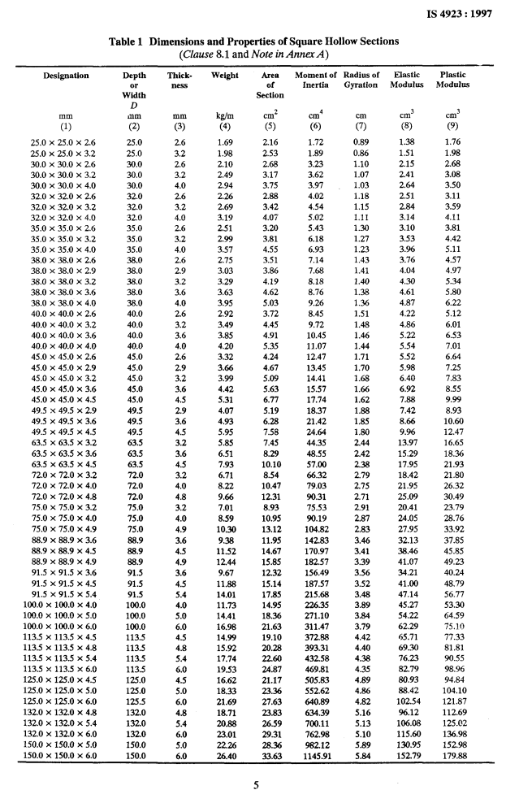

Steel Rectangular Tubes
